Sheet1
We HIGHLY recommend that a high quality certificate paper or parchment is used to print these certificates.

Note:
1. Type in the information below.
2. If needed, set the print area at A18: N53. (File-Print Area-Set Print Area)
3. Click on the print icon or (File-Print) to print the certificate and
4. Then type in the next persons name & FFA Chapter.
5. Repeat these steps until all certificates are printed.

REMEMBER THE TAB KEY WILL TAKE YOU TO THE NEXT CELL THAT WILL ACCEPT INFORMATION!
Name of Recipient |  |  | Type Name Here
Select CDE Award: |  |  | USE ARROW TO THE RIGHT TO SELECT
Placing |  |  | SELECT | SELECT FROM DROP DOWN MENU

YOU MUST USE YOUR ARROW KEYS TO SCROLL DOWN TO VIEW THE CERTIFICATE, IF YOU DESIRE!

2026 Career Development Event Recognition

This Certificate
is presented as evidence that
Type Name Here

 |  | has achieved a Proficiency Rating of |  |  | SELECT |  | in the

USE ARROW TO THE RIGHT TO SELECT

Missouri Career Development Event

conducted by the

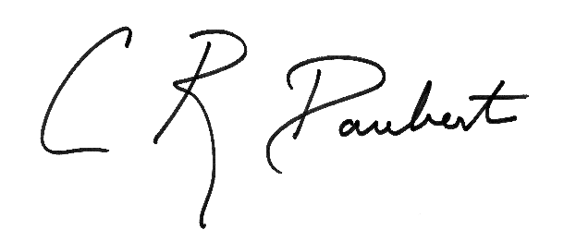

 | April 15-17, 2026
 |  |  |  |  |  | Christopher R. Daubert
 |  |  |  |  |  | Vice Chancellor & Dean

