Certificate
We HIGHLY recommend that a high quality certificate paper or parchment is used to print these certificates.

Note:
1. Type in the information below.
2. If needed, set the print area at A18: N53. (File-Print Area-Set Print Area)
3. Click on the print icon or (File-Print) to print the certificate and
4. Then type in the next persons name & FFA Chapter.
5. Repeat these steps until all certificates are printed.

REMEMBER THE TAB KEY WILL TAKE YOU TO THE NEXT CELL THAT WILL ACCEPT INFORMATION!
Name of Recipient |  |  | Place member name here
FFA Chapter Name: |  |  | Place Chapter name here | FFA Chapter

YOU MUST USE YOUR ARROW KEYS TO SCROLL DOWN TO VIEW THE CERTIFICATE, IF YOU DESIRE!

 |  |  | 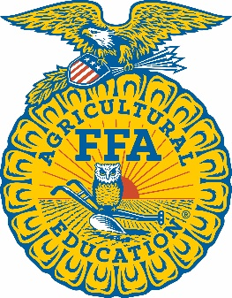 HYMAX
 |  |  | Academy

This certifies that

 |  |  |  | Place member name here

a member of the

 |  |  | Place Chapter name here FFA Chapter

 |  | was a participant in the 2026 HYMAX Academy

 | Given this 13th day of June, 2026.

 | State FFA Advisor |  |  |  |  | State Executive Secretary

 | State FFA President |  |  |  |  | Director, Mo FFA HYMAX Academy

24
25
26
27
28
29
30
31
32
33
34
35
36
37
38
39
40
41
42
43
44
45
46
47
48
49
50
51
52

SELECT |  |  | SELECT | SELECT | SELECT
SELECT |  |  | SELECT | SELECT | SELECT
I |  |  | January | 1st | 1st
II |  |  | February | 2nd | 2nd
III |  |  | March | 3rd | 3rd
IV |  |  | April | 4th | 4th
V |  |  | May | 5th | 5th
VI |  |  |  | 6th | 6th
VII |  |  |  | 7th | 7th
VIII |  |  |  | 8th | 8th
IX |  |  |  | 9th | 9th
X |  |  |  | 10th | 10th
XI |  |  |  | 11th | 11th
XII |  |  |  | 12th | 12th
XIII |  |  |  | 13th | 13th
XIV |  |  |  | 14th | 14th
XV |  |  |  | 15th | 15th
XVI |  |  |  | 16th
 |  |  |  | 17th
 |  |  |  | 18th
 |  |  |  | 19th
 |  |  |  | 20th
 |  |  |  | 21st
 |  |  |  | 22nd
 |  |  |  | 23rd
 |  |  |  | 24th
 |  |  |  | 25th
 |  |  |  | 26th
 |  |  |  | 27th
 |  |  |  | 28th
 |  |  |  | 29th
 |  |  |  | 30th
 |  |  |  | 31st

